mster_without_duplicate(notG+K)
Age | Gender | Educational Qualification | Income | Occupation | Do you own a private vehicle | Household size | Travel time - bicycle access trip | Mention the type | [scenario 1] | [scenario 2] | [scenario 3] | [scenario 4]
21 | Male | higher secondary |  | Student | No | 4 | 3 | type 1 | Yes | No | No | No
20 | Male | higher secondary |  | Student | No | 4 | 3 | type 1 | Yes | Yes | Yes | No
47 | Male | graduate & above | 2,00,000- 5,00,000 | private employee | Yes | 4 | 3 | type 1
22 | Male | graduate & above | <6,000 | unemployed | Yes | 3 | 3 | type 1 | No | Yes | Yes | No
26 | Male | graduate & above | 10,000- 20,000 | employed for wages |  | 4 | 3 | type 1 | No | Yes | Yes | No
29 | Male | graduate & above | >5,00,000 | private employee | Yes | 3 | 3 | type 1 | Yes | Yes | Yes | Yes
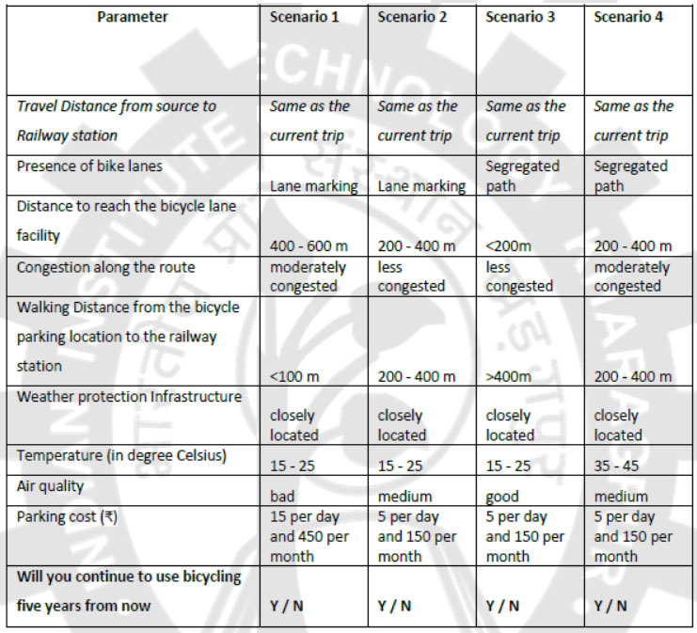
50 | Male | graduate & above |  | self employed | No | 3 | 5 | type 1 | No | Yes | Yes | Yes
22 | Male | higher secondary |  | Student | Yes | 3 | 5 | type 1 | Yes | Yes | Yes | No
35 | Male | graduate & above | 6,000- 10,000 | self employed | No | 5 | 5 | type 1 | Yes | Yes
20 | Male | higher secondary |  | Student | No | 4 | 5 | type 1 | Yes | Yes | No | No
36 | Male | graduate & above |  | self employed | Yes | 6 | 5 | type 1 | Yes | Yes | Yes | No
23 | Male | graduate & above |  | Student | No | 3 | 5 | type 1 | No | Yes | Yes | Yes
21 | Male | graduate & above | <6,000 | Student | No | 4 | 5 | type 1 | No | Yes | Yes | Yes
22 | Male | graduate & above | <6,000 | private employee | No | 5 | 5 | type 1 | No | No | No | Yes
19 | Male | higher secondary | <6,000 | Student | No | 5 | 5 | type 1
21 | Male | graduate & above |  | Student | No | 3 | 6 | type 1 | No | Yes | Yes | Yes
20 | Male | higher secondary |  | Student | No | 3 | 7 | type 1 | No | Yes | No | No
19 | Male | higher secondary |  | Student | No | 5 | 7 | type 1 | No | Yes | Yes | Yes
26 | Male | graduate & above |  | private employee | Yes | 5 | 7 | type 1 | No | Yes | Yes | No
35 | Male | graduate & above | 20,000- 50,000 |  | Yes | 4 | 7 | type 1 | Yes |  |  | No
22 | Male | higher secondary | 6,000- 10,000 |  | No | 6 | 8 | type 1 | No | Yes | No | Yes
16 | Male | secondary |  | Student | No | 4 | 8 | type 1 | No | Yes | Yes | Yes
23 | Male | graduate & above | 10,000- 20,000 |  |  | 8 | 8 | type 1 | No | Yes | No | Yes
23 | Male | graduate & above | 20,000- 50,000 | govt. employee | No | 2 | 8 | type 1 | Yes | No | No | No
27 | Female | higher secondary | <6,000 | Student | No | 5 | 8 | type 1 | No | No | Yes | No
24 | Male | graduate & above |  | Student | No | 3 | 10 | type 1 | No | No | No | No
21 | Male | graduate & above |  | Student | Yes | 5 | 10 | type 1 | No | Yes | Yes | No
20 |  | higher secondary | <6,000 | Student | Yes | 5 | 10 | type 1 | No | Yes | Yes | No
24 | Male | graduate & above | 10,000- 20,000 | private employee | No | 4 | 10 | type 1 | Yes | Yes | Yes | No
18 | Male | graduate & above | <6,000 | Student | No | 4 | 10 | type 1 | No | No | Yes | No
20 |  | graduate & above | <6,000 | Student | No | 5 | 10 | type 1 | No | Yes | No | No
25 |  | secondary | <6,000 | self employed | No | 5 | 10 | type 1 | No | No | Yes | Yes
20 | Male | higher secondary |  | Student | No | 4 | 10 | type 1 | No | Yes | Yes | No
16 | Male | secondary |  | Student | No | 4 | 10 | type 1 | No | Yes | Yes | No
16 | Male | secondary |  | Student | No | 4 | 10 | type 1 | No | Yes | Yes | Yes
47 | Male | higher secondary | 20,000- 50,000 |  | No | 6 | 10 | type 1 | No | No | Yes | No
23 | Male | graduate & above | <6,000 | Student | No | 3 | 10 | type 1 | Yes | No | Yes | No
21 |  | graduate & above |  | Student | No | 3 | 10 | type 1 | No | Yes | Yes | Yes
22 |  | graduate & above |  | Student | No |  | 10 | type 1 | No | Yes | Yes | Yes
18 | Male | higher secondary | <6,000 | Student | Yes | 3 | 10 | type 1 | No | Yes | No | No
18 | Male | higher secondary | 10,000- 20,000 | private employee | No | 2 | 12 | type 1 | No | Yes | No | No
20 | Male | higher secondary | <6,000 | Student | Yes | 4 | 15 | type 1 | No | Yes | Yes | Yes
36 | Male |  |  |  |  |  | 15 | type 1 | No | Yes | Yes | Yes
22 | Male | graduate & above |  | Student | Yes | 5 | 15 | type 1 | No | Yes | Yes | Yes
22 | Male | graduate & above | 20,000- 50,000 | employed for wages | No | 4 | 15 | type 1 | Yes | Yes | Yes | No
31 | Male | higher secondary | 6,000- 10,000 | employed for wages | No | 4 | 15 | type 1 | No | No | Yes | No
23 | Male | higher secondary | <6,000 | Student | No | 6 | 15 | type 1 | No | No | No | Yes
25 | Male | graduate & above | 10,000- 20,000 | private employee | Yes | 10 | 15 | type 1 | Yes | Yes | Yes | No
20 | Male | graduate & above | <6,000 | Student | No | 5 | 15 | type 1 | No | No | Yes | No
47 | Male | secondary | 10,000- 20,000 | govt. employee | Yes |  | 15 | type 1 | No | No | Yes | No
40 | Male | graduate & above | 10,000- 20,000 | private employee | No | 3 | 15 | type 1 | Yes | No | Yes | Yes
15 | Male | secondary |  | Student | No | 3 | 15 | type 1 | Yes | Yes | No | No
21 | Male | higher secondary |  | Student | No | 4 | 15 | type 1 | No | Yes | Yes | No
21 | Male | graduate & above | 10,000- 20,000 | private employee |  |  | 15 | type 1 | No | No | Yes | No
22 | Male | higher secondary |  | Student | Yes | 2 | 20 | type 1 | No | Yes | Yes | No
21 | Male | graduate & above |  | Student | Yes | 4 | 20 | type 1 | No | Yes | Yes | Yes
25 | Male | graduate & above | 20,000- 50,000 | self employed | No | 4 | 20 | type 1 | No | No | No | No
21 | Male | higher secondary |  | Student | No | 4 | 20 | type 1 | No | Yes | Yes | No
20 | Male | higher secondary |  | Student | No | 9 | 20 | type 1 | No | Yes | Yes | Yes
31 |  | graduate & above |  | Student | No | 3 | 25 | type 1 | Yes | No | No | No
19 | Male | graduate & above |  | Student | No | 9 | 25 | type 1 | Yes | Yes | Yes | No
18 | Male | higher secondary | <6,000 | Student | Yes | 4 | 30 | type 1 | No | Yes | Yes | Yes
21 | Male | graduate & above |  | Student | No | 4 | 30 | type 1 | No | Yes | Yes | Yes
21 | Male | higher secondary |  | Student | No | 5 | 30 | type 1 | No | Yes | No | No
34 | Male | graduate & above | 20,000- 50,000 | self employed | No | 4 | 30 | type 1
22 | Male | graduate & above | 6,000- 10,000 | private employee | No | 4 | 35 | type 1 | No | Yes | Yes | No
53 | Male | graduate & above | 10,000- 20,000 | private employee | No | 1 | 45 | type 1 | No | Yes | No | No
31 | Male | graduate & above | 20,000- 50,000 | private employee | No | 5 | 45 | type 1 | No | No | No | Yes
27 | Male | graduate & above | >5,00,000 | private employee | Yes | 5 | 240 | type 1 | Yes | Yes | No | No
18 | Male | higher secondary |  | Student | No | 4 |  | type 1 | No | No | Yes | No

